Percentile Rank
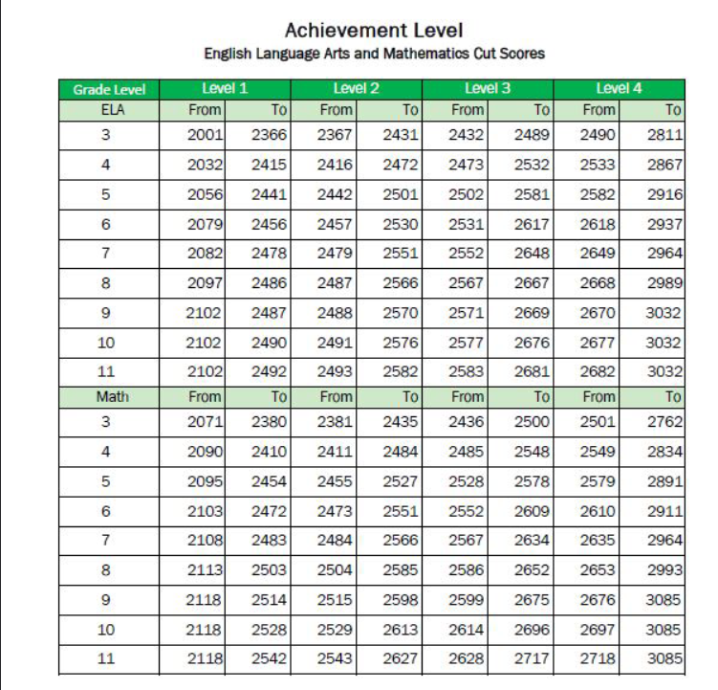
 |  | Grade | Subject | Enter Score Here | Percentile Rank | Achievement Level
2023 ISAT Proficiency Rank |  | 3 | ELA | 2450 | 63 | Proficient
and Achievement levels

 | Step 1. Enter grade level (3-8, or 11)
 | Step 2. Enter Subject (ELA or Math)
 | Step 3. Enter Student Score

Choose grade level tab below for Percentile Rank Ranges.

